test cases and bugs
Test Case ID | Test Scenario | Preconditions | Test Steps | Test Data | Expected Result | Actual Result | Status | NOTE | Priority | Severity
TC01 | verify login with valid username and password | web page will already reloaded and open | step 1 enter valid username step 2 enter valid password step 3 click login button | Usernames & password provided by the site: standard_user ,secret_sauce | login sucess | login sucess | pass | For error_user,problem_user,performance_glitch_user,visual_user ABLE TO LOGIN SUCESSFULLY
TCO2 | verify login with blank username & password | web page will already reloaded and open | step 1 enter no username step 2 enter no password step 3 click login button | leave emply both inputtext button | can't login to the app | login unsucessful (error username required ) | pass | IF USER LEAVE USERNAME OR PASSWORD FIELD ONLY STILL IT THROW AN ERRROR SO FOR THESE CASES ITS ALSO PASS
TCO3 | verify login with locked_out_user credentials | web page will already reloaded and open | step 1 enter lockout user username step 2 enter valid password step 3 click login button | Usernames & password provided by the site: locked_out_user,secret_sauce | sorry this user has been lockout | sorry this user has been lockout | pass
TC04 | verify login with invalid username and password | web page will already reloaded and open | step 1 enter invalid username step 2 enter invalid password step 3 click login button | enter invalid username and password by self | this user not exist | password does not match with service | pass
TC05 | verify login with valid username and invalid password | web page will already reloaded and open | step 1 enter valid username step 2 enter invalid password step 3 click login button | enter username standard_user and invalid password | password does not match with service | password does not match with service | pass
TCO6 | verfy the checkout page for problem user | open with cart product | step 1 click checkout button with product step 2 enter shipping deatils step 3 press continue | enter info for delivery address | checkout overview page will open | , happens many time | fail |  | p1 | HIGH
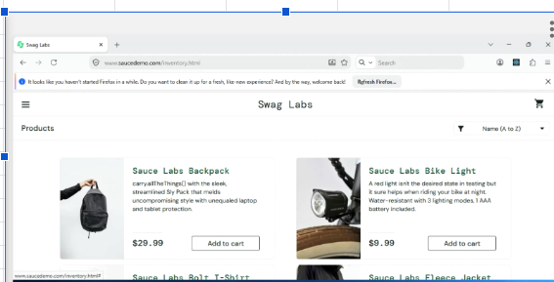
TC07 | verify product list page -images and deatils | login success and product list page will open | step 1 open product list page step 2 enter product step 3 verify details | problem_user with pass and on product list page of website | all product details should display correctly and single product details also look correct | images visble for all product wrong on the product list but while open it look correct | fail |  | p2 | medium | for visual_user the product details are not correct and the cart postion is too narrow for that p1 and high
TCO8 | verify website on Chrome/Firefox/ms edge | brower will open | step 1 open website in different browers | url of website | compatibile in other brower | compatible | pass |  |  |  | only not compatible in yandex and safari for this high s1 and p3
 |  |  | step 2 check the login page loaded
 |  |  | step 3 enter valid username and password
 |  |  | step 4 press login button

 | 5 non-obvious BUGS

 | BUG 1 | users are able to do checkout and purchase without adding any product in cart

 | BUG 2 | add to cart button not working -: when i perform add to cart few product not add and if i add some products then my remove not working

 | BUG 3 | if we perform add to cart for user it will remain for other user , like i add product it standard_user but that product will show to other carts too

 | BUG 4 | filter is not working for problem_user
 |  | filter is broken for error user

 | BUG 5 | user able to CEHECKOUT without lastname for error_user

Sheet2
